linear
linear

sample no. | F | φ | ∑φi | ∑φi2 |  | ∑Fi | ∑Fiφi |  | F= -875.68φ + 180.27

 |  |  |  |  |  |  |  |  |  | e | Se | Mse | RMSe
1 | 63.27329466 | 0.1054075361 | 2.2682847936 | 0.34812617122 |  | 897.99172891 | 104.05130465 |  | 87.966728788 | 24.693434128 | 9026.5080344 | 564.15675215 | 23.751984173
2 | 38.25827119 | 0.1419349001 |  |  |  |  |  |  | 55.98044668 | 17.72217549
3 | 42.6726871 | 0.1325421493 |  |  |  |  |  |  | 64.205490701 | 21.532803601
4 | 164.5596152 | 0.07533333973 |  |  |  |  |  |  | 114.30210107 | -50.257514135
5 | 152.0125478 | 0.08111768067 |  |  |  |  |  |  | 109.23686939 | -42.775678409
6 | 34.21172328 | 0.145065817 |  |  |  |  |  |  | 53.238765369 | 19.027042089
7 | 73.57359844 | 0.1262803155 |  |  |  |  |  |  | 69.688853323 | -3.884745117
8 | 80.93095829 | 0.0939275074 |  |  |  |  |  |  | 98.01956032 | 17.08860203
9 | 36.78679922 | 0.1388039832 |  |  |  |  |  |  | 58.722127991 | 21.935328771
10 | 62.08385482 | 0.1305070533 |  |  |  |  |  |  | 65.987583566 | 3.9037287463
11 | 26.48649544 | 0.1774186251 |  |  |  |  |  |  | 24.908058372 | -1.5784370676
12 | 34.40791954 | 0.1655211408 |  |  |  |  |  |  | 35.326447424 | 0.91852788426
13 | 27.24850771 | 0.1659758692 |  |  |  |  |  |  | 34.928250859 | 7.6797431489
14 | 27.67593528 | 0.161277009 |  |  |  |  |  |  | 39.042948759 | 11.367013479
15 | 18.84955592 | 0.1884394526 |  |  |  |  |  |  | 15.257340147 | -3.5922157728
16 | 14.95996502 | 0.2387324146 |  |  |  |  |  |  | -28.783200817 | -43.743165837

linear
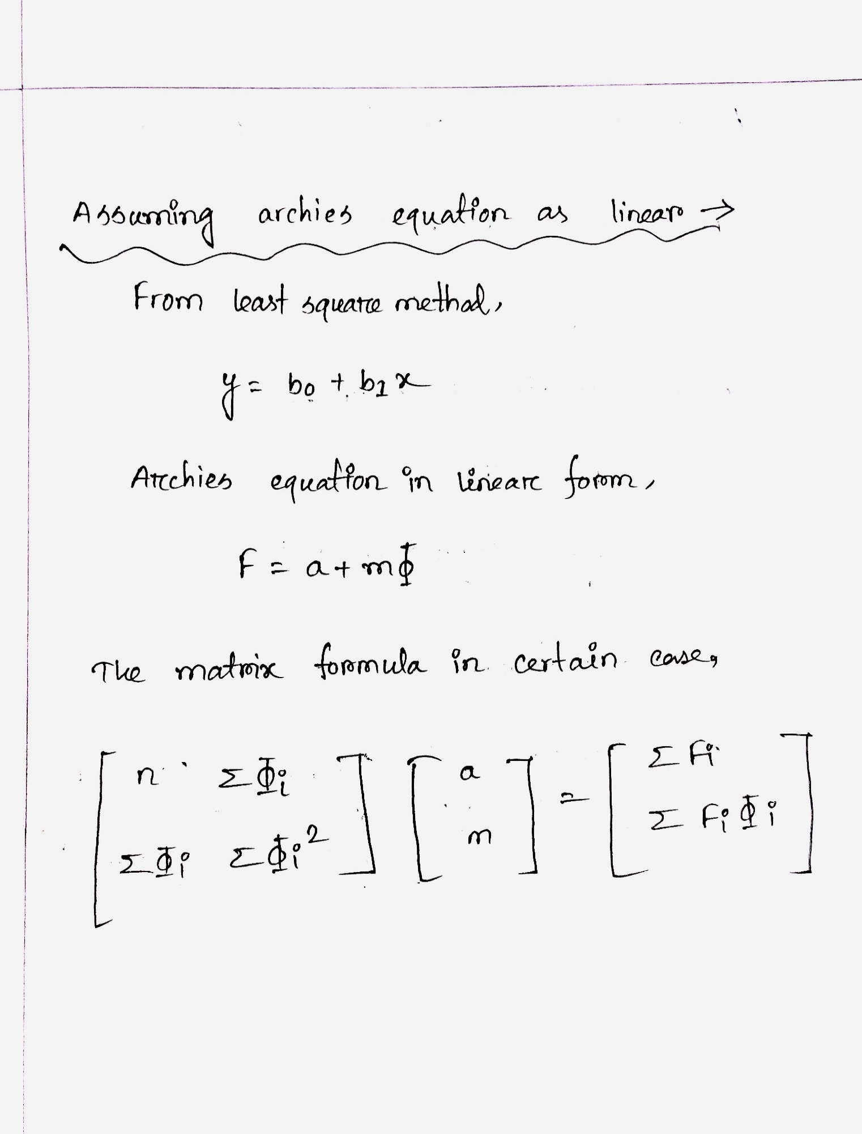

 |  |  | n | 16 | 2.2682847936 | ∑φi | ∑Fi | 897.99172891
 |  |  | ∑φi | 2.2682847936 | 0.34812617122 | ∑φi2 | ∑Fiφi | 104.05130465

 |  |  |  |  |  |  | inverse | 0.81930771657 | -5.3383611702
 |  |  |  |  |  |  |  | -5.3383611702 | 37.655667826

 |  |  |  |  | a | 180.26810843
 |  |  |  |  | m | -875.6828118

exponential
 | EXPONENTIAL

 | sample no. | F | φ | ∑φi | ∑φi2 | ∑lnFi | ∑ln(Fi)φi |  | F= 387.99e-15.28φ
lnF

 |  |  |  |  |  |  |  |  |  |  |  |  | e | Se | MSe | RMSe
4.1474633548 | 1 | 63.27329466 | 0.1054075361 | 2.2682847936 | 0.34812617122 | 60.713045023 | 8.2013366378 |  | 77.50577227 |  |  |  | 14.23247761 | 4396.2439118 | 274.76524449 | 16.576044296
3.6443597772 | 2 | 38.25827119 | 0.1419349001 |  |  |  |  |  | 44.354505471 |  |  |  | 6.0962342809
3.7535590692 | 3 | 42.6726871 | 0.1325421493 |  |  |  |  |  | 51.199794829 |  |  |  | 8.527107729
5.103272907 | 4 | 164.5596152 | 0.07533333973 |  |  |  |  |  | 122.71764348 |  |  |  | -41.84197172
5.0239630688 | 5 | 152.0125478 | 0.08111768067 |  |  |  |  |  | 112.33678918 |  |  |  | -39.675758616
3.5325683713 | 6 | 34.21172328 | 0.145065817 |  |  |  |  |  | 42.282525093 |  |  |  | 8.0708018134
4.2982862445 | 7 | 73.57359844 | 0.1262803155 |  |  |  |  |  | 56.340652579 |  |  |  | -17.232945861
4.3935964244 | 8 | 80.93095829 | 0.0939275074 |  |  |  |  |  | 92.36676733 |  |  |  | 11.43580904
3.605139064 | 9 | 36.78679922 | 0.1388039832 |  |  |  |  |  | 46.528019583 |  |  |  | 9.7412203631
4.1284859683 | 10 | 62.08385482 | 0.1305070533 |  |  |  |  |  | 52.816930444 |  |  |  | -9.2669243755
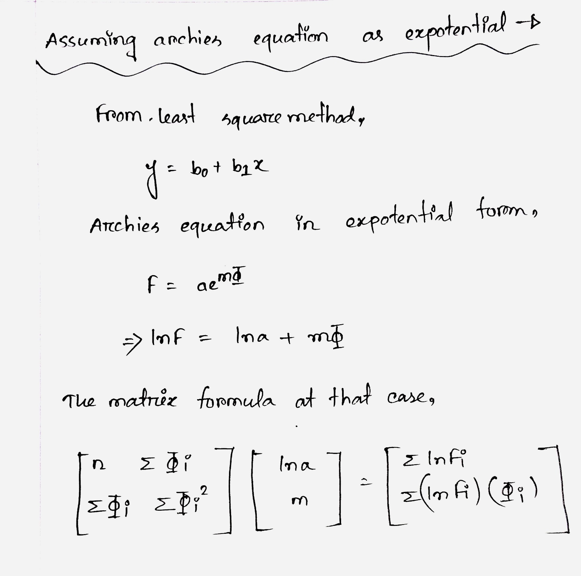
3.2766349971 | 11 | 26.48649544 | 0.1774186251 |  |  |  |  |  | 25.790932446 |  |  |  | -0.6955629941
3.5382867571 | 12 | 34.40791954 | 0.1655211408 |  |  |  |  |  | 30.932782216 |  |  |  | -3.475137324
3.3049987567 | 13 | 27.24850771 | 0.1659758692 |  |  |  |  |  | 30.718598476 |  |  |  | 3.4700907662
3.3205632731 | 14 | 27.67593528 | 0.161277009 |  |  |  |  |  | 33.005257553 |  |  |  | 5.3293222734
2.936489355 | 15 | 18.84955592 | 0.1884394526 |  |  |  |  |  | 21.793782667 |  |  |  | 2.9442267472
2.7053776343 | 16 | 14.95996502 | 0.2387324146 |  |  |  |  |  | 10.106191653 |  |  |  | -4.8537733666

exponential

 |  |  |  |  |  |  |  | n | 16 | 2.2682847936 | ∑φi |  | 60.713045023 | ∑lnFi | 60.713045023
 |  |  |  |  |  |  |  | ∑φi | 2.2682847936 | 0.34812617122 | ∑φi2 |  |  | ∑ln(Fi)φi | 8.2013366378

 |  |  |  |  |  |  |  |  |  | inverse | 0.81930771657 | -5.3383611702
 |  |  |  |  |  |  |  |  |  |  | -5.3383611702 | 37.655667826

 |  |  |  |  |  |  |  |  | lna | 5.9609692323
 |  |  |  |  |  |  |  |  | m | -15.281353908

 |  |  |  |  |  |  |  |  | a | 387.98599062
 |  |  |  |  |  |  |  |  | m | -15.281353908

power
 | POWER

logF | logφ | sample no. | F | φ | ∑logφi | ∑logφi2 | ∑logFi | ∑(logFi)(logφi) |  | F= 0.629φ-2.133

 |  |  |  |  |  |  |  |  |  |  |  |  |  | e | Se | MSe | RMSe
1.8012204489 | -0.97712833818 | 1 | 63.27329466 | 0.1054075361 | -13.874299613 | 12.301318163 | 26.367340433 | -23.440738543 |  | 76.359906999 |  |  |  | 13.086612339 | 1645.3964505 | 102.83727815 | 10.140871666
1.5827253413 | -0.84791080358 | 2 | 38.25827119 | 0.1419349001 |  |  |  |  |  | 40.480362177 |  |  |  | 2.2220909868
1.6301499913 | -0.87764599118 | 3 | 42.6726871 | 0.1325421493 |  |  |  |  |  | 46.845679697 |  |  |  | 4.1729925971
2.2163232632 | -1.1230127787 | 4 | 164.5596152 | 0.07533333973 |  |  |  |  |  | 156.32804704 |  |  |  | -8.2315681617
2.181879438 | -1.0908844753 | 5 | 152.0125478 | 0.08111768067 |  |  |  |  |  | 133.50798189 |  |  |  | -18.504565907
1.5341749506 | -0.83843491173 | 6 | 34.21172328 | 0.145065817 |  |  |  |  |  | 38.639572442 |  |  |  | 4.4278491616
1.8667219976 | -0.89866434173 | 7 | 73.57359844 | 0.1262803155 |  |  |  |  |  | 51.939969033 |  |  |  | -21.633629407
1.9081146828 | -1.0272072026 | 8 | 80.93095829 | 0.0939275074 |  |  |  |  |  | 97.652554515 |  |  |  | 16.721596225
1.565692002 | -0.85759807093 | 9 | 36.78679922 | 0.1388039832 |  |  |  |  |  | 42.452896878 |  |  |  | 5.6660976584
1.7929786747 | -0.88436601609 | 10 | 62.08385482 | 0.1305070533 |  |  |  |  |  | 48.4176111 |  |  |  | -13.66624372
1.4230244984 | -0.75100079063 | 11 | 26.48649544 | 0.1774186251 |  |  |  |  |  | 25.149846103 |  |  |  | -1.3366493375
1.536658414 | -0.7811465291 | 12 | 34.40791954 | 0.1655211408 |  |  |  |  |  | 29.163268211 |  |  |  | -5.2446513294
1.4353427227 | -0.77995504832 | 13 | 27.24850771 | 0.1659758692 |  |  |  |  |  | 28.993107346 |  |  |  | 1.7445996358
1.4421023063 | -0.79242753947 | 14 | 27.67593528 | 0.161277009 |  |  |  |  |  | 30.824680737 |  |  |  | 3.1487454566
1.275301123 | -0.72482816602 | 15 | 18.84955592 | 0.1884394526 |  |  |  |  |  | 22.116129464 |  |  |  | 3.2665735443
1.174930578 | -0.62208860937 | 16 | 14.95996502 | 0.2387324146 |  |  |  |  |  | 13.352594161 |  |  |  | -1.6073708594

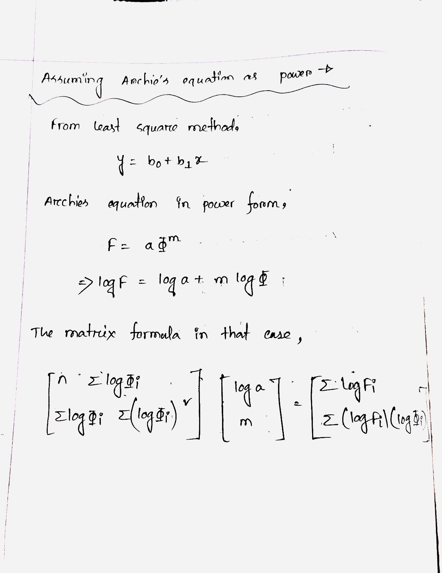

power

 |  |  |  |  |  |  |  | n | 16 | -13.874299613 | ∑logφi |  | ∑logFi |  | 26.367340433
 |  |  |  |  |  |  |  | ∑logφi | -13.874299613 | 12.301318163 | ∑logφi2 |  | ∑(logFi)(logφi) |  | -23.440738543

 |  |  |  |  |  |  |  |  |  | inverse | 2.8443006142 | 3.2080040845
 |  |  |  |  |  |  |  |  |  |  | 3.2080040845 | 3.6995067704

 |  |  |  |  |  |  |  |  |  | loga | -0.20134240163
 |  |  |  |  |  |  |  |  |  | m | -2.1326351372

 |  |  |  |  |  |  |  |  |  | a | 0.62901007018
 |  |  |  |  |  |  |  |  |  | m | -2.1326351372

final decision
The RMSe(Root Mean Square error) value is minimum in power equation, that means it fits more accurately than other two methods namely linear and exponential. For this reason, archie provides his equation in power form rather than another two forms.

